Architecture - tick-mark choice
Standard Systems
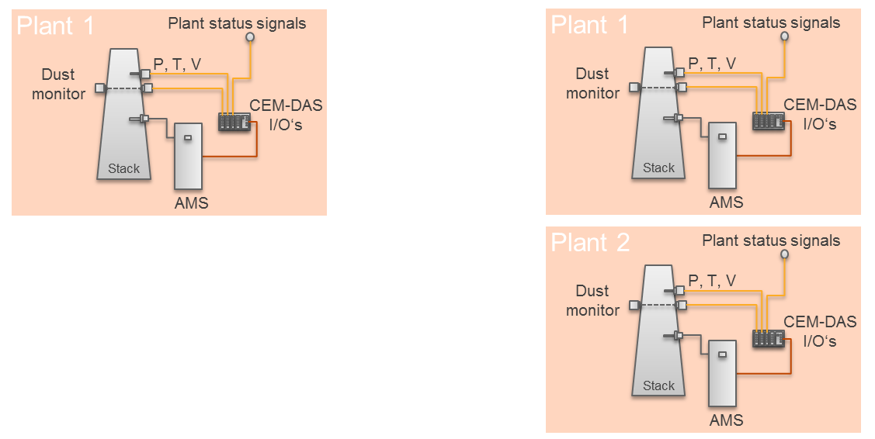
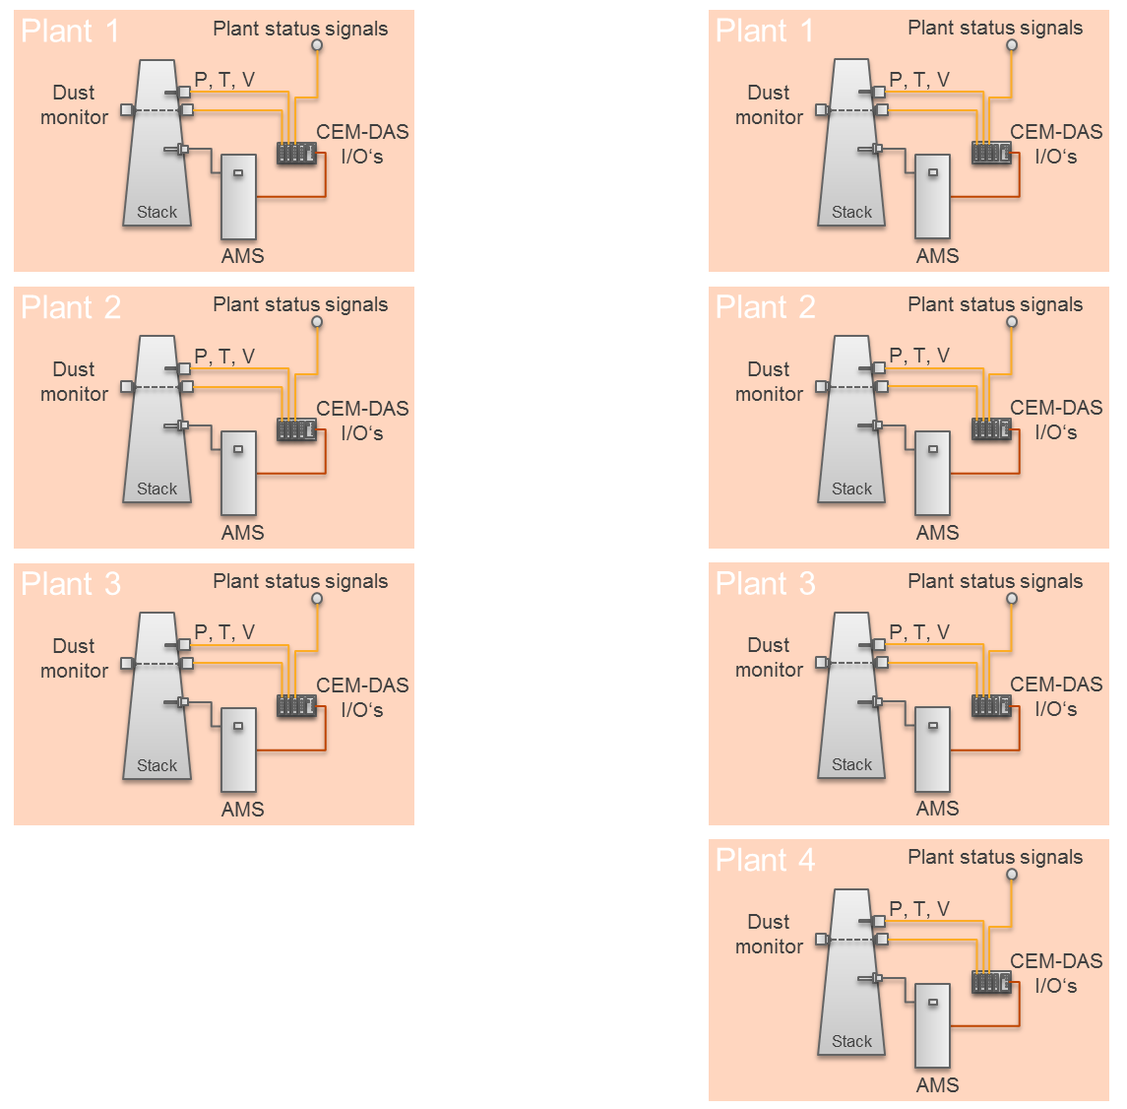

 | Hints
 | 1. A plant is often also called block or line. Each plant has its own plant signals like in operation, start-up, shut-down, etc.
 | 2. When installed in ACF5000 or ACX
 | In each AMS all data is collected in a buffer (DAA). The first AMS also hosts the data acquisition and handling system (CEM-DAS), which is connected to all DAA's.
 | The operation of CEM-DAS is acomplished via a workstation that can be in a separate room. The workstation needs to be connected to CEM-DAS via Ethernet.
 | CEM-DAS is then accessed via a standard explorer (e.g. Internet Explorer or Firefox).

