Selector
Selection options | Drop-down menu options (see notes below) | Unit
Enclosed plug & play solution | No | n/a
EkipUP unit type and function | EkipUP Monitor (network monitoring only) | n/a
Rating plug for current window | 1,600.00 | Amps
Current sensor range and type | Open CS 4P type C 200 4000 A max. | Amps
Ekip power supply | Ekip Supply 24-48Vdc | Volts
Module options Slot1 and Slot2 | None | n/a
Module options Slot3 | Ekip Com Hub | n/a
Module options Slot4 | None | n/a
Warranty extension | None | years

Optional external accessories | Part number(s) to be ordered extra | Quantity
PTC1000 external probe | If temp. monitoring required, select Ekip 3T in Slots 3/4 | 0
Ekip programming cable | 1SDA076154R1 | 1
Ekip 10K Modbus signalling unit |  | 0
Software function type | None | 0

Part number | UPMX1600C6DXDXX
Delivery and lead time | Please contact your ABB sales rep for correct lead times
Recommended online subscription to EAM cloud for remote access | ABB Ability™ Energy Manager
 | ABB Ability™ Asset Manager

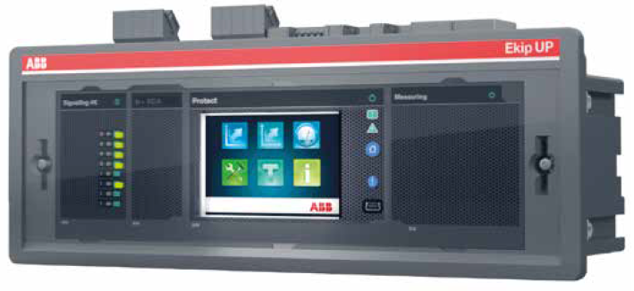
Links to supporting resources:
Reverse lookup
Online ROI calculator
EkipUP technical catalog
EkipUP user manual
Ability™ EAM webpage

Notes and instructions:
1. Please select options from drop-down menus above (grey cells only) based on your requirement
2. All other cells are locked. To avoid any errors or confusions, please pick selections going top-down
3. If the cell description (yellow box) is blocking any of the grey cells, please just click and drag it aside
4. Part numbers always based on options selected, so please double-check selection prior to ordering
5. Error messages may appear on wrong selection, duplication, etc., and will dissappear when corrected
6. Customer is responsible for verifying options selected prior to ordering. If in doubt, please ask
7. Please call 1833-703-6700 or email ep.support@ca.abb.com for any clarifications
8. To print/save this page for your records, please use the normal File --> Print or Save As menu
9. Distributor prices on T&B Access; or please send above part# or printout to your local ABB sales rep
10. ABB reserves the right to make any changes to any product, parts and options without prior notice
11. ABB shall not be liable for any damages whatsoever, arising from selection/use based on this tool
© ABB 2021

