Instruct
Production Part Approval Process (PPAP) is a rigorous process intended to ensure the supplier’s ability to manufacture sustainable high-quality parts at a proven volume.

PPAP focuses heavily on the supplier’s processes and capability to yield conforming material.
The supplier must receive PPAP approval from ABB prior to the first shipment of serial / regular production parts.

ABB MOMG & MOPT utilizes three levels of PPAP:
• Level 2 for medium risk PPAP. Default level of PPAP
• Level 3 for high risk PPAP
• Level 4 customized by the ABB SQE for all elements where potential risk is identified

Low risk - Catalogue parts (i.e.: no ABB-specific part number) are exempt from PPAPatalogue parts (i.e.: no ABB-specific part number.)
The ABB SQE determines the Risk Level required for PPAP
The ABB SQE determines if elements can be exempt from PPAP

PPAP Element |  | PPAP Deliverable | PPAP Level 2 | PPAP Level 3 | PPAP Level 4 Customized | Description
1 |  | Design Records | Submit | Submit |  | ABB Drawing identifying CTQ's / CTP's (Red-Line drawing showing CTQ's is acceptable.) These CTQ's / CTP's define the MSA, Process Study & some Control Plan items. Also loaded here is the supplier drawing.
2 |  | Engineering Change Documents | Retain | Submit |  | Capture all ECN's during the PPAP process. Highlight those ECN's that are not compete & implemented at the time of PPAP submission.
3 |  | Engineering Trial Approval | na | na |  | Not Required at this time.
4 |  | DFMEA | na | na |  | Not Required at this time.
5 |  | Process Flow Diagram | Retain | Submit |  | Outlines the manufacturing process, including incoming inspection, machining, assembly, final assembly, quality inspection stations, final test, rework, shipping, etc. Also captured here is any outsourced activities.
6 |  | PFMEA | Retain | Submit |  | Mechanism to assign risk (RPN) for each work station. This is a living document, capturing all new failure modes, risk-reduction progress & lessons learned. High RPN's during PPAP shall be actively worked. Corrective action is required in cases where severity > = 7 rating, if RPN's >100
7 |  | Control Plan | Submit | Submit |  | Identifies all inspection stations, including incoming inspection, on-line tests, quality inspection & final test. Inspection should be a result of the risk identified in the PFMEA, & should link to the Process Flow Diagram. Control Plan shall have approval & revision. All CTQ's shall be shown on the Control Plan.
8 |  | Measurement System Analysis | Submit | Submit |  | Documented proof of conducted MSA's. A full MSA (and process capability study, element 11) is required for each CTQ / CTP.
9 |  | Dimensional Results | Submit | Submit |  | Full GD&T dimensional lay-out of the part. 100% of the of dimensions called out on dwg are measured, recorded, & must be in-spec. And excluded dimension shall be justified & approved by ABB. Any out-of-spec dimensions should have been addressed & resolved prior to PPAP submission (ie: drawings revised.)
10 |  | Mat'l &/or Performance Tests | Submit | Submit |  | Reports demonstrating that the product meets all tests & specifications outlined by ABB. Defined test location (supplier, 3rd Party, ABB Lab.)
11 |  | Process Capability Studies (SPC / Cpk) | Submit | Submit |  | Each CTQ / CTP requires a process capability study (and MSA, element 8) to determine process capability. Cpk shall be higher than 1.33. When Cpk value is lower, then action is required (ie: increased inspection as defined on the Control Plan.)
12 |  | Approval of Lab | Retain | Submit |  | Capture here certifications or proof of capability for any lab (dimensional, test, etc.) involved in PPAP or forthcoming serial production. External labs or test facilities should be ISO/IEC 17025 certified, or equivalent national standard. Internal lab should list key testers, & calibration certificate shall be provided.
13 |  | Appearance Approval | Submit | Submit |  | Verification that ABB has inspected the final product and it meets all the required appearance specifications for the design. The report includes color, textures as well as fit (gaps between parts), etc.
14 |  | Sample Product | not required | not required |  | Document here if it is desired or required to maintain original parts at either the supplier's site or ABB. It is a best practice to retain exact samples used for PPAP Elements 9 and 11.
15 |  | Master Sample | not required | not required |  | A part that has been inspected and signed off by the ABB. This is a 'golden part' or boundary sample, typically retained by the supplier and used to train operators on appearance, etc. It is a best practice to retain exact samples used for PPAP Element 13.
16 |  | Measurement Tools / Checking Aids | Retain | Submit |  | A detailed list of all the tools used to inspect, test, or measure parts. Reference the part, describe the tool and document the calibration schedule for the tool.
PPAP Element |  | PPAP Deliverable | PPAP Level 2 | PPAP Level 3 | PPAP Level 4 Customized | Description
17.1 | Customer Specific Requirements | Reverse Engineering of existing parts | Submit | Submit |  | NOTE: THIS STEP MUST BE COMPLETE, PRIOR TO PPAP KICK-OFF. REQUIRED if this part is, or has been in production by a different supplier or ABB. This is a part-to-drawing comparison, with the part coming from the prior manufacturer. This is in-place to protect against prior-undocumented design changes, or drift in manufacturing. Revisions to the ABB drawing may result from this comparison.
17.2 |  | Compliance Requirements (RoHS, etc.) | Submit | Submit | Submit | All compliance requirements are defined & captured here, including REACH, RoHS, Conflict Minerals, and ABB Prohibited & Restricted Substances.
17.3 |  | Enhanced Control Plan for Launch (GP12) | Retain | Submit |  | This is in-place for the first 3-months of production. It involves redundant inspection and controls to ensure Zero defects during launch. The Launch Control Plan is more rigorous than the serial production Control Plan.
17.4 |  | Sub-Tier Supplier Oversight | Retain | Submit |  | Define the oversight with sub-tier suppliers (Approve suppliers, qualify parts, surveillance audits, etc.). Heavy emphasis on Critical Manufacturing Processes like castings, forgings, heat treat, painting, coatings, welding. Load critical sub-tier PSW's when required.
17.5 |  | Production Trial Run (PTR) at ABB Plants | Submit | Submit |  | Coordinate a low-volume trials with ABB Plant(s.) ABB Plants will likely a.) conduct First Article Inspection (FAI) to compare results to suppliers lab results, and b.) place parts in production to ensure they meet assembly & quality requirements.
17.6 |  | Run-at-Rate (GP9) | not required | Submit |  | This Shall be conducted when volume is critical to ABB. Run-at-Rate proves the ability to run production and yield the defined volume with the expected quality. The volume produced during Run-at-Rate shall define the maximum that the supplier is contracted to manufacturer.
17.7 |  | Packaging | Retain | Submit |  | Define adherence to ABB Packaging Standards. Also capture here the type of packing that will be used. Load pictures, drawings, etc.
17.8 |  | ABB owned assets | Submit | Submit |  | List all ABB owned tooling, equipment, machines, etc. Define how are they tagged or identified. Capture pictures. Define end-of-life for all assets.
17.9 |  | Preventative Maintenance | Retain | Submit |  | Define the Preventative Maintenance Plan for a.) ABB owned tooling / equipment, and b.) suppler owned tooling / equipment. A predictive maintenance systems like Maximo is preferred. End of life for all tooling / equipment should be defined in the PM system, triggering discussions between supplier & ABB.
17.10 |  | Rework & Repair | Retain | Submit |  | Define what rework or repair requires ABB involvement or approval / what is allowable without ABB involvement.
17.11 |  | Frozen Process Change Request & Approval Acknowledgement | Submit | Submit | Submit | A document signed by supplier leadership, stating they will request and obtain approval from ABB prior to any serial-production process changes.
17.12 |  | Supplier Deviation Request & Approval Acknowledgement | Submit | Submit | Submit | A document signed by supplier leadership, stating they will request and obtain approval from ABB prior to shipping non-conforming parts to ABB. | High K52 +B23:G24Risk
17.13 |  | Other | Submit | Submit |  | Placeholder for other requirements identified by the qualification team.
18 |  | Part Submission Warrant (PSW) | Submit | Submit | Submit | A summary of the entire PPAP submission. This is signed by the supplier & ABB at the time of completion of PPAP.
Part Approval (PPAP) / Part Submission Warrant (PSW) will be executed and documented by the supplier in ABBs PPAP Packet, an .xls file.

The Supplier can use their template for all PPAP elements as long as those templates contain all ABB requirements.
All documents being part of the ABB PPAP must be written in English..

Acronyms
CTF: Critical to function
EAU: Estimated annual usage
FMEA: Failure Mode Effects Analysis
FAI: First Article Inspection
Gauge R&R: Gauge Repeatability and Reproducibility
MSA: Measurement System Analysis
PPAP: Production Part Approval Process
PSW: Part Submission Warrant

PPAP Gantt Chart
The ABB SQE determines which elements are required according Risk Level for PPAP.
The ABB SQE determines if elements can be exempt from PPAP
PPAP Element | ABB internal kick of meeting | PPAP kick of meeting with supplier | Pre-production activities at supplier | Samples production at supplier | Samples at ABB Plant | PPAP sumbssion/approval | Serial production
1. Design records (Drawing identifying CTQ's / CTP's)
2. Engineering Change Documents
5. Process Flow Diagram
6. PFMEA
7. Control Plan
8. Measurement System Analysis
9. Dimensional Results
10. Mat'l &/or Performance Tests
11. Process Studies (SPC/CpK)
12. Approval Lab
13. Appearance Approval
14. Sample Product
15. Master Sample
16. Measurement Tools/ Checking Aids
17.1 Reverse Engineering of existing parts
17.2 Compliance Requirements (RoHs, etc)
17.3 Pre-Launch Control Plan (Enhanced Control Plan)
17.4 Sub-Tier Supplier Oversight
17.5 Production Trial Run (PTR) at ABB plans
17.6 Run-at-Rate
17.7 Packaging
17.8 ABB owned assets
17.9 Preventive Maintenance
17.10 Rework&Repair
17.11Frozen Process Change Request & Approval
17.12 Supplier Deviation Request & Approval
17.13 Other
18.PSW

6PFMEA
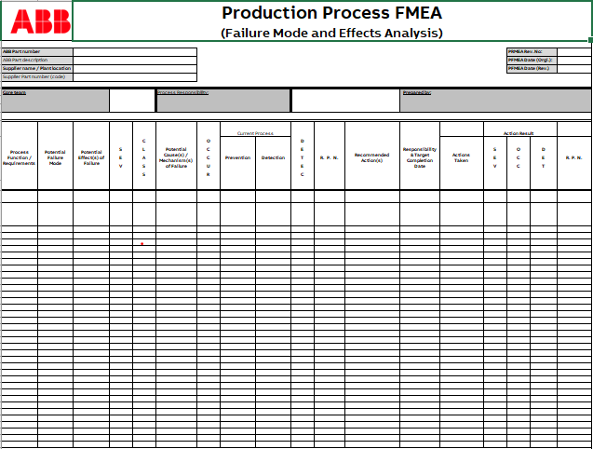
 | Production Process FMEA
Attach your PFMEA on line 3 as an object link (Insert> Object) or use ABB FMEA template The file ABB FMEA (02-04-15-T-002)can be dowloaded from ABB Web Site by clicking on the link:
http://search.abb.com/library/Download.aspx?DocumentID=9AKK107991A1331&LanguageCode=en&DocumentPartId=&Action=Launch

7CP
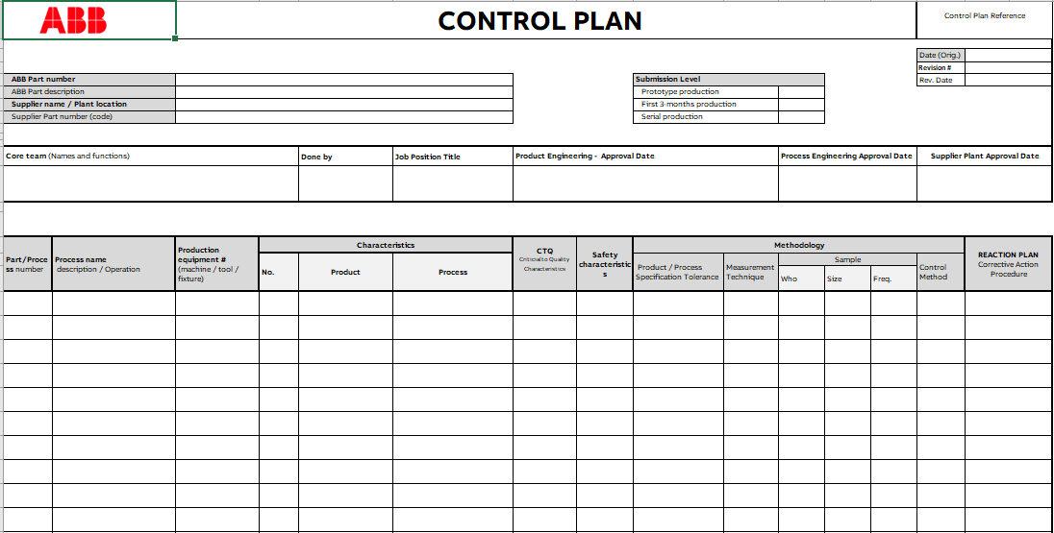
 | Production Process Control Plan
Attach your control plan on line 3 as an object link (Insert> Object) OR use ABB Control Plan template The ABB CP (02-04-15-T-003) can be downloaded from ABB Web Site by clicking on the link:
http://search.abb.com/library/Download.aspx?DocumentID=9AKK107991A1332&LanguageCode=en&DocumentPartId=&Action=Launch

11Cpk
Attach your process capability study (NOTE: Preferred is Minitab CpK study)on line 2 as an object link (Insert> Object) OR use the sheet below

 |  |  |  | Capability study |  |  |  |  |  |  |  | Document no.
 |  |  |  |  |  |  |  |  |  |  |  | ABB Part number
 |  |  |  |  |  |  |  |  |  |  |  | Part description
 |  |  |  |  |  |  |  |  |  |  |  | Drawing Revision
 |  |  |  |  |  |  |  |  |  |  |  | Supplier name
 |  |  |  |  |  |  |  |  |  |  |  | Supplier no.
 |  |  |  |  |  |  |  |  |  |  |  | Purchase order no.
 |  |  |  |  |  |  |  |  |  |  |  | Supplier contact
 |  |  |  |  |  |  |  |  |  |  |  | Supplier operator
 |  |  |  |  |  |  |  |  |  |  |  | ABB Sourcing Manager
 |  |  |  |  |  |  |  |  |  |  |  | ABB Supplier Quality Engineer
 |  |  |  |  |  |  |  |  |  |  |  | Date

 |  |  |  |  |  |  |  |  |  |  |  | Temp. during measurement |  |  |  |  |  | CPK

 | Specification/Drawing |  |  |  |  |  |  | Sample Measurement Report |  |  |  |  |  |  |  |  |  | Capability
 | Pos | Gauge | Nominal | +Tol | -Tol | Max | Min | 1 | 2 | 3 | 4 | 5 | 6 | 7 | 8 | 9 | 10 | N.C. | CPK
 | 1 |  |  |  |  | 0.000 | 0.000 |  |  |  |  |  |  |  |  |  |  | 0
 | 2 |  |  |  |  | 0.000 | 0.000 |  |  |  |  |  |  |  |  |  |  | 0
 | 3 |  |  |  |  | 0.000 | 0.000 |  |  |  |  |  |  |  |  |  |  | 0
 | 4 |  |  |  |  | 0.000 | 0.000 |  |  |  |  |  |  |  |  |  |  | 0
 | 5 |  |  |  |  | 0.000 | 0.000 |  |  |  |  |  |  |  |  |  |  | 0
 | 6 |  |  |  |  | 0.000 | 0.000 |  |  |  |  |  |  |  |  |  |  | 0
 | 7 |  |  |  |  | 0.000 | 0.000 |  |  |  |  |  |  |  |  |  |  | 0
 | 8 |  |  |  |  | 0.000 | 0.000 |  |  |  |  |  |  |  |  |  |  | 0
 | 9 |  |  |  |  | 0.000 | 0.000 |  |  |  |  |  |  |  |  |  |  | 0
 | 10 |  |  |  |  | 0.000 | 0.000 |  |  |  |  |  |  |  |  |  |  | 0
 | 11 |  |  |  |  | 0.000 | 0.000 |  |  |  |  |  |  |  |  |  |  | 0
 | 12 |  |  |  |  | 0.000 | 0.000 |  |  |  |  |  |  |  |  |  |  | 0
 | 13 |  |  |  |  | 0.000 | 0.000 |  |  |  |  |  |  |  |  |  |  | 0
 | 14 |  |  |  |  | 0.000 | 0.000 |  |  |  |  |  |  |  |  |  |  | 0
 | 15 |  |  |  |  | 0.000 | 0.000 |  |  |  |  |  |  |  |  |  |  | 0
 | 16 |  |  |  |  | 0.000 | 0.000 |  |  |  |  |  |  |  |  |  |  | 0
 | 17 |  |  |  |  | 0.000 | 0.000 |  |  |  |  |  |  |  |  |  |  | 0
 | 18 |  |  |  |  | 0.000 | 0.000 |  |  |  |  |  |  |  |  |  |  | 0
 | 19 |  |  |  |  | 0.000 | 0.000 |  |  |  |  |  |  |  |  |  |  | 0
 | 20 |  |  |  |  | 0.000 | 0.000 |  |  |  |  |  |  |  |  |  |  | 0
 | 21 |  |  |  |  | 0.000 | 0.000 |  |  |  |  |  |  |  |  |  |  | 0
 | 22 |  |  |  |  | 0.000 | 0.000 |  |  |  |  |  |  |  |  |  |  | 0
 | 23 |  |  |  |  | 0.000 | 0.000 |  |  |  |  |  |  |  |  |  |  | 0
 | 24 |  |  |  |  | 0.000 | 0.000 |  |  |  |  |  |  |  |  |  |  | 0
 | 25 |  |  |  |  | 0.000 | 0.000 |  |  |  |  |  |  |  |  |  |  | 0
 | 26 |  |  |  |  | 0.000 | 0.000 |  |  |  |  |  |  |  |  |  |  | 0
 | 27 |  |  |  |  | 0.000 | 0.000 |  |  |  |  |  |  |  |  |  |  | 0
 | 28 |  |  |  |  | 0.000 | 0.000 |  |  |  |  |  |  |  |  |  |  | 0
 | 29 |  |  |  |  | 0.000 | 0.000 |  |  |  |  |  |  |  |  |  |  | 0
 | 30 |  |  |  |  | 0.000 | 0.000 |  |  |  |  |  |  |  |  |  |  | 0
 | 31 |  |  |  |  | 0.000 | 0.000 |  |  |  |  |  |  |  |  |  |  | 0
 | 32 |  |  |  |  | 0.000 | 0.000 |  |  |  |  |  |  |  |  |  |  | 0
 | 33 |  |  |  |  | 0.000 | 0.000 |  |  |  |  |  |  |  |  |  |  | 0
 | 34 |  |  |  |  | 0.000 | 0.000 |  |  |  |  |  |  |  |  |  |  | 0
 | 35 |  |  |  |  | 0.000 | 0.000 |  |  |  |  |  |  |  |  |  |  | 0
 | 36 |  |  |  |  | 0.000 | 0.000 |  |  |  |  |  |  |  |  |  |  | 0
 | 37 |  |  |  |  | 0.000 | 0.000 |  |  |  |  |  |  |  |  |  |  | 0
 | 38 |  |  |  |  | 0.000 | 0.000 |  |  |  |  |  |  |  |  |  |  | 0
 | 39 |  |  |  |  | 0.000 | 0.000 |  |  |  |  |  |  |  |  |  |  | 0
 | 40 |  |  |  |  | 0.000 | 0.000 |  |  |  |  |  |  |  |  |  |  | 0
 | 41 |  |  |  |  | 0.000 | 0.000 |  |  |  |  |  |  |  |  |  |  | 0
 | 42 |  |  |  |  | 0.000 | 0.000 |  |  |  |  |  |  |  |  |  |  | 0
 | 43 |  |  |  |  | 0.000 | 0.000 |  |  |  |  |  |  |  |  |  |  | 0
 | 44 |  |  |  |  | 0.000 | 0.000 |  |  |  |  |  |  |  |  |  |  | 0
 | 45 |  |  |  |  | 0.000 | 0.000 |  |  |  |  |  |  |  |  |  |  | 0
 | 46 |  |  |  |  | 0.000 | 0.000 |  |  |  |  |  |  |  |  |  |  | 0
 | 47 |  |  |  |  | 0.000 | 0.000 |  |  |  |  |  |  |  |  |  |  | 0
 | 48 |  |  |  |  | 0.000 | 0.000 |  |  |  |  |  |  |  |  |  |  | 0
 | 49 |  |  |  |  | 0.000 | 0.000 |  |  |  |  |  |  |  |  |  |  | 0
 | 50 |  |  |  |  | 0.000 | 0.000 |  |  |  |  |  |  |  |  |  |  | 0
 | 51 |  |  |  |  | 0.000 | 0.000 |  |  |  |  |  |  |  |  |  |  | 0
 | 52 |  |  |  |  | 0.000 | 0.000 |  |  |  |  |  |  |  |  |  |  | 0
 | 53 |  |  |  |  | 0.000 | 0.000 |  |  |  |  |  |  |  |  |  |  | 0
 | 54 |  |  |  |  | 0.000 | 0.000 |  |  |  |  |  |  |  |  |  |  | 0
 | 55 |  |  |  |  | 0.000 | 0.000 |  |  |  |  |  |  |  |  |  |  | 0
 | 56 |  |  |  |  | 0.000 | 0.000 |  |  |  |  |  |  |  |  |  |  | 0
 | 57 |  |  |  |  | 0.000 | 0.000 |  |  |  |  |  |  |  |  |  |  | 0
 | 58 |  |  |  |  | 0.000 | 0.000 |  |  |  |  |  |  |  |  |  |  | 0
 | 59 |  |  |  |  | 0.000 | 0.000 |  |  |  |  |  |  |  |  |  |  | 0
 | 60 |  |  |  |  | 0.000 | 0.000 |  |  |  |  |  |  |  |  |  |  | 0
 | 61 |  |  |  |  | 0.000 | 0.000 |  |  |  |  |  |  |  |  |  |  | 0
 | 62 |  |  |  |  | 0.000 | 0.000 |  |  |  |  |  |  |  |  |  |  | 0
 | 63 |  |  |  |  | 0.000 | 0.000 |  |  |  |  |  |  |  |  |  |  | 0
 | 64 |  |  |  |  | 0.000 | 0.000 |  |  |  |  |  |  |  |  |  |  | 0
 | 65 |  |  |  |  | 0.000 | 0.000 |  |  |  |  |  |  |  |  |  |  | 0
 | 66 |  |  |  |  | 0.000 | 0.000 |  |  |  |  |  |  |  |  |  |  | 0
 | 67 |  |  |  |  | 0.000 | 0.000 |  |  |  |  |  |  |  |  |  |  | 0
 | 68 |  |  |  |  | 0.000 | 0.000 |  |  |  |  |  |  |  |  |  |  | 0
 | 69 |  |  |  |  | 0.000 | 0.000 |  |  |  |  |  |  |  |  |  |  | 0
 | 70 |  |  |  |  | 0.000 | 0.000 |  |  |  |  |  |  |  |  |  |  | 0
 | 71 |  |  |  |  | 0.000 | 0.000 |  |  |  |  |  |  |  |  |  |  | 0
 | 72 |  |  |  |  | 0.000 | 0.000 |  |  |  |  |  |  |  |  |  |  | 0
 | 73 |  |  |  |  | 0.000 | 0.000 |  |  |  |  |  |  |  |  |  |  | 0
 | 74 |  |  |  |  | 0.000 | 0.000 |  |  |  |  |  |  |  |  |  |  | 0
 | 75 |  |  |  |  | 0.000 | 0.000 |  |  |  |  |  |  |  |  |  |  | 0
 | 76 |  |  |  |  | 0.000 | 0.000 |  |  |  |  |  |  |  |  |  |  | 0
 | 77 |  |  |  |  | 0.000 | 0.000 |  |  |  |  |  |  |  |  |  |  | 0
 | 78 |  |  |  |  | 0.000 | 0.000 |  |  |  |  |  |  |  |  |  |  | 0
 | 79 |  |  |  |  | 0.000 | 0.000 |  |  |  |  |  |  |  |  |  |  | 0
 | 80 |  |  |  |  | 0.000 | 0.000 |  |  |  |  |  |  |  |  |  |  | 0
 | 81 |  |  |  |  | 0.000 | 0.000 |  |  |  |  |  |  |  |  |  |  | 0
 | 82 |  |  |  |  | 0.000 | 0.000 |  |  |  |  |  |  |  |  |  |  | 0
 | 83 |  |  |  |  | 0.000 | 0.000 |  |  |  |  |  |  |  |  |  |  | 0
 | 84 |  |  |  |  | 0.000 | 0.000 |  |  |  |  |  |  |  |  |  |  | 0
 | 85 |  |  |  |  | 0.000 | 0.000 |  |  |  |  |  |  |  |  |  |  | 0
 | 86 |  |  |  |  | 0.000 | 0.000 |  |  |  |  |  |  |  |  |  |  | 0
 | 87 |  |  |  |  | 0.000 | 0.000 |  |  |  |  |  |  |  |  |  |  | 0
 | 88 |  |  |  |  | 0.000 | 0.000 |  |  |  |  |  |  |  |  |  |  | 0
 | 89 |  |  |  |  | 0.000 | 0.000 |  |  |  |  |  |  |  |  |  |  | 0
 | 90 |  |  |  |  | 0.000 | 0.000 |  |  |  |  |  |  |  |  |  |  | 0
 | 91 |  |  |  |  | 0.000 | 0.000 |  |  |  |  |  |  |  |  |  |  | 0
 | 92 |  |  |  |  | 0.000 | 0.000 |  |  |  |  |  |  |  |  |  |  | 0
 | 93 |  |  |  |  | 0.000 | 0.000 |  |  |  |  |  |  |  |  |  |  | 0
 | 94 |  |  |  |  | 0.000 | 0.000 |  |  |  |  |  |  |  |  |  |  | 0
 | 95 |  |  |  |  | 0.000 | 0.000 |  |  |  |  |  |  |  |  |  |  | 0
 | 96 |  |  |  |  | 0.000 | 0.000 |  |  |  |  |  |  |  |  |  |  | 0
 | 97 |  |  |  |  | 0.000 | 0.000 |  |  |  |  |  |  |  |  |  |  | 0
 | 98 |  |  |  |  | 0.000 | 0.000 |  |  |  |  |  |  |  |  |  |  | 0
 | 99 |  |  |  |  | 0.000 | 0.000 |  |  |  |  |  |  |  |  |  |  | 0
 | 100 |  |  |  |  | 0.000 | 0.000 |  |  |  |  |  |  |  |  |  |  | 0
 | Material, surface, etc. |  |  |  |  | 0.000 | 0.000 |  |  |  |  |  |  |  |  |  |  | N.C. | CPK
 |  |  |  |  |  | 0.000 | 0.000 |  |  |  |  |  |  |  |  |  |  | 0
 |  |  |  |  |  | 0.000 | 0.000 |  |  |  |  |  |  |  |  |  |  | 0
 |  |  |  |  |  | 0.000 | 0.000 |  |  |  |  |  |  |  |  |  |  | 0
 |  |  |  |  |  | 0.000 | 0.000 |  |  |  |  |  |  |  |  |  |  | 0
 |  |  |  |  |  | 0.000 | 0.000 |  |  |  |  |  |  |  |  |  |  | 0
 |  |  |  |  |  | 0.000 | 0.000 |  |  |  |  |  |  |  |  |  |  | 0
 |  |  |  |  |  | 0.000 | 0.000 |  |  |  |  |  |  |  |  |  |  | 0
 |  |  |  |  |  | 0.000 | 0.000 |  |  |  |  |  |  |  |  |  |  | 0
 | Visual Inspection |  |  |  |  | 0.000 | 0.000 |  |  |  |  |  |  |  |  |  |  | N.C. | CPK
 |  |  |  |  |  | 0.000 | 0.000 |  |  |  |  |  |  |  |  |  |  | 0
 |  |  |  |  |  | 0.000 | 0.000 |  |  |  |  |  |  |  |  |  |  | 0
 |  |  |  |  |  | 0.000 | 0.000 |  |  |  |  |  |  |  |  |  |  | 0
 |  |  |  |  |  | 0.000 | 0.000 |  |  |  |  |  |  |  |  |  |  | 0
 |  |  |  |  |  | 0.000 | 0.000 |  |  |  |  |  |  |  |  |  |  | 0
 |  |  |  |  |  | 0.000 | 0.000 |  |  |  |  |  |  |  |  |  |  | 0
 |  |  |  |  |  | 0.000 | 0.000 |  |  |  |  |  |  |  |  |  |  | 0
 | 'Capability Study'!#REF!
1 | 1
 | Sample Approved/Not approved:
 | 'Capability Study'!#REF!
1 | 1
 | 'Capability Study'!#REF!
1
 | 'Capability Study'!#REF!
1 | 1
 | 'Capability Study'!#REF!
1 | 1
 | 'Capability Study'!#REF!
1 | 1

 | Corrective action (if needed)

171Reverse Eng
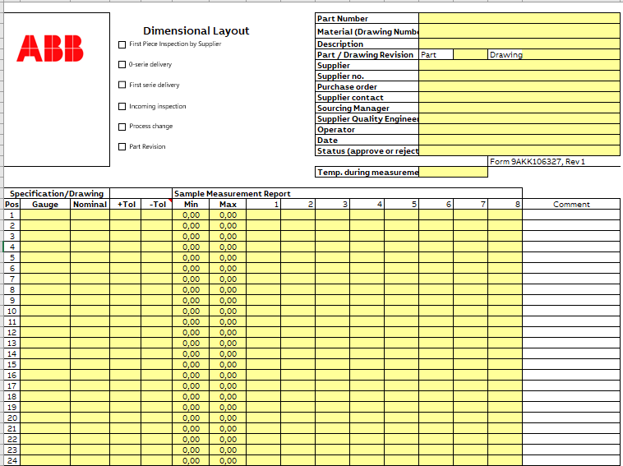
 | Reverse Engineering
Instructions: 1. ABB personnel coordinates dimensional layout of current part to current drawing (at ABB facilities or current supplier facility) and provides report to new supplier 2. ABB personnel provides current part to new supplier 3. ABB personnel provides current drawing to new supplier 4. New supplier compares current part dimensional layout (step 1) to current drawing (step 3) - fills out ABB Dimensional Layout report. 5. New supplier performs a new dimensional layout at their facility of current part (step 2) 6. New supplier compares their current part dimensional layout (step 5) to current drawing (step 3) - fills out ABB Dimensional Layout report. 7. New supplier compares the two different dimensional layouts (step 1 vs. step 6). Reviews with ABB personnel (Gauge to Gauge variation) 8. New supplier and ABB personnel review all out-of-spec conditions identified in dimensional layouts (step 4 and step 6) 9. ABB personnel provides resolution and formal direction on all step 7 and step 8 discrepancies (i.e. drawing changes)
The ABB Dimensional Layout (9AKK106327) can be uploaded from ABB Web Site by clicking on the link
http://search.abb.com/library/Download.aspx?DocumentID=9AKK106327&LanguageCode=en&DocumentPartId=&Action=Launch

176Run@Rate
 |  |  | Run @ Rate
 | I. Key Information: A) Product |  |  | B) Customer Production |  |  | C) Capacity Revision Record (e.g. Run at Rate)
 |  |  | Site Location | X Cust. Demand / Week (without Service Parts)
 |  |  | Vendor Code | Y Number of days customer/supplier works/week
 |  |  | Date of Study | Z Customer Demand per Day (DPV) |  | -
 |  |  | Part Name
 |  |  | Part Number | Service Parts Annual Volume

 | II. Capacity Planning

 | Operating pattern for the specific part |  | Process 1 | Process 2 | Process 3 | Process 4 | Process 5 | Process 6 | Process 7
 |  | Process description
 |  | Dedicated or Shared process (by shared process, show only operating pattern for the specific part) | 2 | 2 | 2 | 2 | 2 | 2 | 2
 | A. | Shifts/day | 3.00 | 2.00 | 2.00 | 2.00
 | B. | Total hours/shift
 | C | Personal breaks: lunch, breaks (minutes/shift)
 |  | Planned Maintenance (minutes/shift)
 | D | Days/week
 | E | Net available time (production hours/week) [A*(B-(C/60))*D] | 0.00 | 0.00 | 0.00 | 0.00 | 0.00 | 0.00 | 0.00

 | Projected Downtime
 | F | Tool / Variant / Consumable Tools changeover (minutes)
 | G | Changeovers per shift
 | H | Inspections of facilities per shift (minutes)
 | I | Breakdowns per shift (unscheduled downtime) (minutes)
 | J | Total projected downtime/week (hours) [(FxG+H)/60xAxD] | 0.00 | 0.00 | 0.00 | 0.00 | 0.00 | 0.00 | 0.00

 | K | Equipment Availability [(E-J)/E] | - | - | - | - | - | - | -

 | Projected Quality Rate (%)
 |  | Projected percent of parts scrapped and reworked For linked processes, please see note in training material
 | L | Projected Quality Rate (%) | - | - | - | - | - | - | -

 | Planned Cycle time / Capacity
 |  | Required Cycle time needed to cover exact customer demand (sec/part) [E*3600*K/ X*L] | - | - | - | - | - | - | -

 | M | Planned ideal cycle time (taken with watch) (sec/part) For multiple cavities in one tool, see note in training material
 |  | Planned production capacity / week [(E-J)*3600/M*L] | -
 |  | Planned production capacity / day [(E-J)*3600/M*L/D] | -

 | III. Production Run (tick the appropiate box) |  | Run-at-Rate |  | Capacity |  | Other |  | e.g. Trial Run
 | Duration data of production run |  | (Phase 0) |  | Verification (Phase 3)

 | N | Total duration of production run (min)

 | O1 | Total planned downtime (lunch, breaks, maint.) (min)
 | O2 | (changeovers, inspections) (min)

 | P | Total unplanned downtime (i.e. breakdowns, unscheduled adjustments, unscheduled setups, etc.) (min)
 |  | Reasons for breakdown
 | Part quantity data of production run
 | Q | Total parts run
 | R | Total rejected parts
 | S | Total parts reworked, retested or repaired off line
 | T | Total good parts (first time through only- do not include parts that were rejected, re-processed or reworked) | - | - | - | - | - | - | -
 |  | Reasons for rejected parts

 | U | Process total actual cycle time (sec/part) [(N-O1-O2-P) x 60 / Q] | - | - | - | - | - | - | -

 | IV. Capacity Calculation
 | V | Weekly Parts Available for Shipment [E*3600 / ((N-O)*60/T)] | - | - | - | - | - | - | -
 | W | Daily Parts Available for Shipment [V/Y] | - | - | - | - | - | - | -
 | Z | DPV | - | - | - | - | - | - | -
 | AA | Percent above/below DPV [W/Z] | - | - | - | - | - | - | -

 | V. Overall Equipment Effectiveness
 |  | Equipment Availability [(N-O1-O2-P)/(N-O1)] | - | - | - | - | - | - | -
 |  | Performance Efficiency [(M*Q)/(N-O1)] | - | - | - | - | - | - | -
 |  | Quality Rate [T/Q] | - | - | - | - | - | - | -
 |  | OEE | - | - | - | - | - | - | -

 | DEDICATED
 | SHARED
VI. Manufacturing Bottleneck

Process #

% above DPV:
0.00%

Run-at-Rate (Phase 0)
 | VII. SUPPLIER OPERATION MANAGEMENT APPROVAL |  |  | FOR CUSTOMER USE ONLY |  | STA Review Results:
Capacity Verification (Phase 3)
Approved
 | Title | Phone Number FAX Number
 |  |  |  | Customer Name

Rejected
 | Supplier Name

 | Supplier Authorized Signature |  | Date | Customer Signature |  |  | Date

1711FPCR
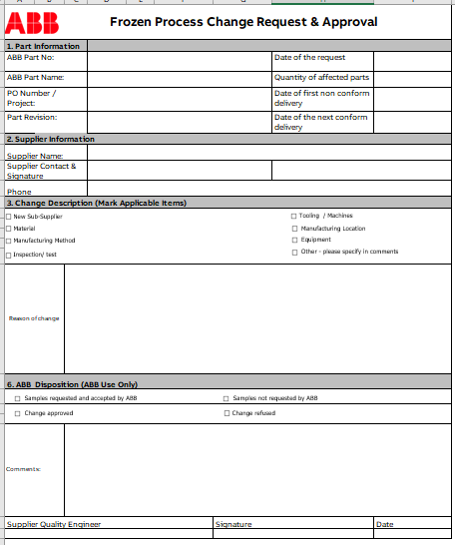
 | Frozen Process Change Request & Approval
Instructions: 1.The"Frozen Process Change Request & Approval" form is NOT a form to be used during the PPAP process. The reason that it is an element of PPAP is only because we need the supplier to acknowledge ABB's requirement that this form must be used during serial production / regular production, where Supplier will notify ABB of any and all process changes 2. The supplier's signed acknowledgement of this requirement during PPAP is managed by their mark on checking box on the PSW. 3. The ABB FPCR form (02-04-15-T-005) can be found under the link:
http://search.abb.com/library/Download.aspx?DocumentID=9AKK107991A1334&LanguageCode=en&DocumentPartId=&Action=Launch

1712SDR
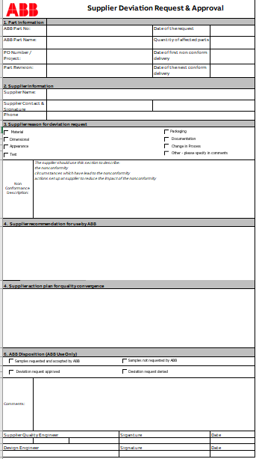
 | Supplier Deviation Request & Approval
Instructions: 1.This "Supplier Deviation Request and Approval" form is NOT a form to be used during the PPAP process. The reason that it is an element of PPAP is only because we need the supplier to acknowledge ABB's requirement that this form must be used during serial production / regular production, where they will request and obtain approval from ABB prior to shipping non-conforming parts to ABB. 2. The supplier's signed acknowledgement of this requirement during PPAP is managed by their mark on checking box on the PSW. 3. The ABB SDR form (02-04-15-T-006) can be found under the link:
http://search.abb.com/library/Download.aspx?DocumentID=9AKK107991A1333&LanguageCode=en&DocumentPartId=&Action=Launch

